Cover Page
SPECIFICATIONS AND BILL OF QUANTITIES WITH ENGINEERING ESTIMATE

PROJECT:
SOUTH OMO HEALTH POST REHABILITATION WORK

LOCATION:
SOUTH OMO, ETHIOPIA
OWNER:
DOCTORS WITH AFRICA- CUAMM

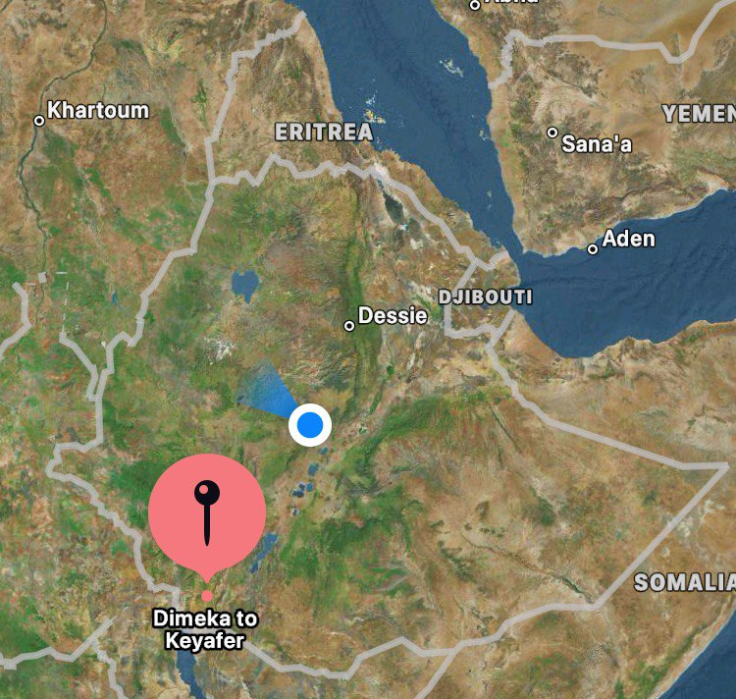

Prepared by:- Solomon Tesfay
Jun-24

